Sheet1
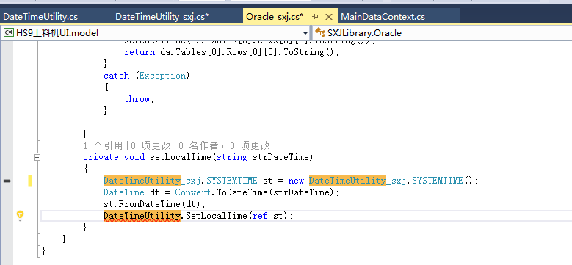
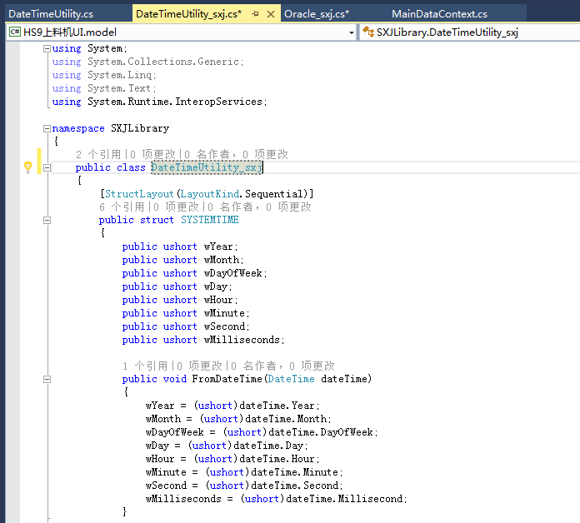

DateTimeUtility | 变成 | DateTimeUtility_sxj

